Buttefly Data Dictionary
Column name | Column Description
coreid | Primary key (unique)
Institution | Univeristy that catalogued the row
dwc:catalogNumber | ID for the catalog
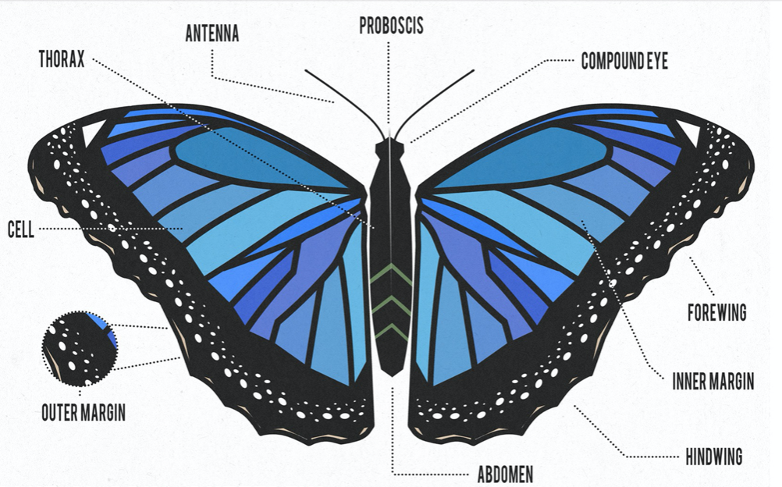
dwc:institutionCode | Institution
dwc:order | Order
dwc:family | Family
dwc:genus | Genus
dwc:specificEpithet | Epithet
dwc:scientificName | Scientific name
dwc:typeStatus | Unknown, all values blank
dwc:sex | sex
SexUpdated | updated sex, more complete than dwc: sex
units | measurement units
unit/pixel conversion
LWingLength | Left wing length
LWingWidth | Left wing width
LBlackPatchApex | Left black patch apex
LAnteriorSpotM3 | Left anterior spot
LPosteriorSpotCu2 | Left Posterior Spot
LInterspotPA | Left Interspot
RWingLength | Right wing length
RWingWidth | Right wing width
RBlackPatchApex | Right black patch apex
RAnteriorSpotM3 | Right anterior spot
RPosteriorSpotCu2 | Right posterior spot
RInterspotPA | Right interspot
MorphologyNotes | Notes on morphology, anything missing, things to note about butterfly specimen
dwc:eventDate | event date
dwc:startDayOfYear | startDate
dwc:endDayOfYear | End day, mostly empty
dwc:day | dwc:eventDate separated day
dwc:month | dwc:eventDate separated month
dwc:year | dwc:eventDate separated year
dwc:verbatimEventDate | Event date as it appears, likely from from another document
YearUpdated | Year updated information
DayOfYearUpdated | Day of year updated
startDayofYearUpdated | Start day of year updated
endDayofYearUpdated | End day of year updated
dwc:higherGeography | Combined geographical location. Continent; Country; State; County; City
dwc:continent | Continent of observation
dwc:island | Island of observation
dwc:country | Country of observation
dwc:stateProvince | State or province of observation
dwc:county | County of observation
dwc:municipality | Municipality of observation
dwc:locality | Locality as stated by the observation
dwc:decimalLatitude | Latitude of observation
dwc:decimalLongitude | Longitude of observation
dwc:coordinateUncertaintyInMeters | Uncertainty of coordinate measure in meters
DecimalLatitudeUpdated | Updated latitude of observation
DecimalLongitudeUpdated | Updated longitude of observation
UncertaintyInMetersUpdatd | Updated uncertainty in meters
GeoreferenceSourcesUpdated | Updated source used to obtain georeference
GeoreferencedByUpdated | Updated georeference initials
GeoreferencingNotes | Notes about georeferencing
dwc:minimumElevationInMeters | Minimum possible elevation in meters
dwc:verbatimLatitude | Latitude of observation as stated by source
dwc:verbatimLongitude | Longitude of observation as stated by source
dwc:verbatimLocality | Locality of observation as stated by source
dwc:verbatimCoordinates | Coordinates of observation as stated by source
dwc:verbatimElevation | Elevation of observation as stated by source
dwc:georeferenceSources | Source of georeference
dwc:georeferenceRemarks | Remarks about the georeference
dwc:geodeticDatum | Datum/Coordinate plane of georeference
dwc:georeferenceProtocol | Georeference protocol
dwc:georeferencedDate | Date of georeference
dwc:georeferencedBy | Who did the georeferencing
dwc:georeferenceVerificationStatus | Status of verification of georeference
dwc:preparations | Tracking preparations
dwc:occurrenceRemarks | Remarks about preparations
dwc:individualCount | Count ofspecimen (1 or 2)
dwc:lifeStage | Stage of life of specimen
dwc:habitat | Habitat of specimen
dwc:datasetID | Dataset ID, where the dataset comes from or can be found
dwc:recordedBy | Who recorded the observation

Mean Visualizations
 | female - Average of LWingWidth | female - Average of LWingLength | male - Average of LWingWidth | male - Average of LWingLength
1821 | 13.071 | 22.594 | 12.016 | 21.437
1847 | 13.293166667 | 23.975833333 | 13.051 | 23.1855
1848 |  |  | 11.716 | 22.29
1859 | 13.787 | 22.33 | 13.5 | 23.792
1863 | 13.215 | 23.636
1864 | 13.331 | 24.153
1865 | 13.558 | 24.954 | 14.09 | 25.71
1866 | 11.798 | 22.972 | 12.31 | 23.065
1876 | 12.158 | 21.9
1877 | 12.5915 | 22.872 | 14.832 | 26.039
1878 |  |  | 13.22 | 22.487
1881 | 13.291 | 24.501
1884 | 12.82925 | 23.549125 | 14.024 | 23.947
1885 | 12.15 | 22.350666667 | 12.8475 | 21.772
1886 | 12.2465 | 22.3765 | 11.652 | 21.109
1887 |  |  | 12.0785 | 21.7225
1889 | 14.128 | 22.959333333
1890 |  |  | 11.5595 | 21.6345
1891 | 12.4975 | 23.061166667 | 11.824666667 | 22.417666667
1892 | 14.0975 | 24.65875 | 13.082666667 | 24.023333333
1893 | 12.388 | 21.638 | 12.4155 | 22.8875
1894 | 13.1535 | 23.185 | 12.264 | 22.372
1895 | 12.587714286 | 22.165428571 | 12.8795 | 22.51275
1896 | 12.608 | 23.09 | 13.95 | 25.019
1897 | 13.281 | 21.965 | 12.184 | 22.101
1898 | 12.649 | 21.502 | 12.554333333 | 22.747666667
1899 | 12.488 | 21.98325 | 14.029 | 24.669
1900 | 13.675333333 | 23.862666667 | 12.5215 | 23.043
1901 | 13.733 | 23.373666667 | 11.9235 | 22.33125
1902 | 12.342 | 21.209 | 12.477 | 22.455
1903 | 12.5965 | 21.67 | 10.992 | 19.23
1904 | 11.919 | 21.5825 | 13.103 | 23.472
1905 | 12.204 | 21.757 | 12.461 | 22.6885
1906 | 11.643 | 21.16 | 10.7265 | 20.372
1907 | 13.6775 | 24.4825
1910 |  |  | 13.1085 | 23.991
1911 |  |  | 12.95 | 24.64
1912 | 14.64 | 24.830666667 | 13.399 | 24.190666667
1913 | 12.931285714 | 22.875285714 | 13.495666667 | 23.580166667
1914 | 12.920294118 | 22.629176471 | 12.314538462 | 22.803307692
1915 | 12.2225 | 21.971025 | 12.796956522 | 23.16073913
1916 | 13.39 | 23.614 | 13.323 | 23.8875
1918 | 12.165333333 | 22.197333333 | 13.4105 | 23.5475
1919 | 12.199 | 21.8785 | 12.7235 | 23.869
1920 | 13.563875 | 23.7530625 | 13.017230769 | 23.718846154
1921 | 12.809785714 | 22.129535714 | 12.653115385 | 22.728115385
1922 | 12.3354 | 21.8322 | 12.5245 | 23.53075
1923 | 12.741 | 22.9194 | 12.4985 | 22.3765
1924 | 14.376 | 26.458 | 12.5705 | 22.167
1925 | 12.362 | 22.1785 | 12.405333333 | 22.586333333
...

This graph shows the mean of wing length and width over time (1821-2017) by gender

